Sheet0
Marketing Budget Tracker |  |  |  |  |  |  |  | 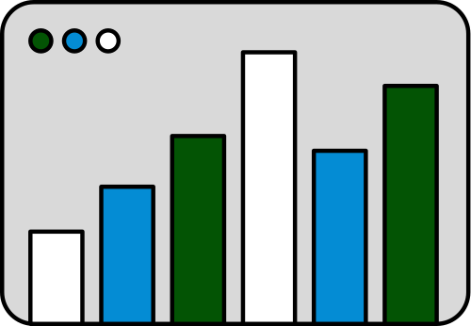
Date | Category | Expense Name | Vendor | Expense Amount | Current Budget | Remaining Budget | Expenses per Category
 | Advertising | Social Media Ads
 | Advertising | Google Ads/PPC Campaigns
 | Advertising | Display Ads/Retargeting
 | Advertising | Print Ads
 | Advertising | Sponsorships
 | Digital Marketing | Website Design/Maintenance
 | Digital Marketing | Landing Page Creation
 | Digital Marketing | Search Engine Optimization
 | Digital Marketing | Email Marketing Platform
 | Digital Marketing | CRM Tools
 | Content Creation | Graphic Design
 | Content Creation | Copywriting
 | Content Creation | Photography & Video Production
 | Content Creation | Blog or Newsletter
 | Content Creation | Templates & Branded Materials
 | Tools & Software | Design Tools
 | Tools & Software | Social Media Schedulers
 | Tools & Software | Analytics Tools
 | Tools & Software | Marketing Automation
 | Tools & Software | Stock Photo/Video Subscriptions
 | Events & Promotion | Event Booths
 | Events & Promotion | Swag/Merchandise
 | Events & Promotion | Flyers, Posters, Banners
 | Events & Promotion | Giveaways or Trackers
 | Events & Promotion | Pop-Up Shops or Live Demos
 | Outsourcing & Freelancers | Marketing Consultants
 | Outsourcing & Freelancers | Freelance Designers or Writers
 | Outsourcing & Freelancers | Social Media Managers
 | Outsourcing & Freelancers | Ad Specialists
 | Outsourcing & Freelancers | Photographers or Videographers
 | Printing & Distribution | Business Cards, Postcards, Flyers
 | Printing & Distribution | Direct Mail Campaigns
 | Printing & Distribution | Promotional Materials
 | Training & Development | Marketing Courses & Certifications
 | Training & Development | Books, Workshops, Conferences
 | Training & Development | Mastermind Groups or Memberships
 | Experiment Fund | Testing or Unexpected Opportunities
 |  |  | Total

